New Dashboard
E -Commerce Sales DataSet
Total Order
Total Sales
 | Total
Qtr4 | 223.81K
Qtr1 | 268.60K
Qtr2 | 245.30K
Qtr3 | 285.59K
Qtr4 | 294.43K
Qtr1 | 271.63K
Qtr2 | 256.72K
Qtr3 | 289.86K
Qtr4 | 38.47K
How many they buy
 | Total
CUST1054 | 30
CUST1219 | 29
CUST1108 | 27
CUST1084 | 27
CUST1470 | 25
CUST1051 | 25
CUST1168 | 25
CUST1007 | 25
CUST1013 | 24
CUST1371 | 24
CUST1057 | 24
CUST1067 | 23
CUST1373 | 22
CUST1348 | 22
CUST1485 | 22
CUST1147 | 21
CUST1466 | 21
CUST1052 | 20
CUST1101 | 20
CUST1478 | 19
CUST1251 | 19
CUST1156 | 19
CUST1462 | 19
CUST1104 | 19
CUST1039 | 19
CUST1209 | 19
CUST1248 | 19
CUST1384 | 18
CUST1072 | 18
CUST1119 | 18
CUST1161 | 18
CUST1476 | 18
CUST1325 | 18
CUST1433 | 18
CUST1327 | 18
CUST1464 | 18
CUST1171 | 18
CUST1245 | 18
CUST1087 | 18
CUST1066 | 18
CUST1496 | 18
CUST1165 | 18
CUST1201 | 18
CUST1380 | 17
CUST1319 | 17
CUST1065 | 17
CUST1099 | 17
CUST1334 | 17
CUST1105 | 17
CUST1405 | 17
...
2000
 | How they like to buy

Total Revenue
$2,174,395

Total Revenue
$1,087
Popular Product Vs Gender
 | Female | Male
Sports | 714 | 527
Electronics | 657 | 508
Home | 514 | 460
Clothing | 483 | 363
Beauty | 404 | 334
Region Sales
 | East | North | South | West
Beauty | 93.74K | 90.89K | 101.88K | 35.06K
Clothing | 105.17K | 111.83K | 113.26K | 48.95K
Electronics | 133.22K | 147.51K | 147.71K | 75.86K
Home | 120.15K | 129.79K | 117.06K | 60.30K
Sports | 170.12K | 166.08K | 155.30K | 50.50K
Total Quantity

4964

Summary
INSIGHTS

1 | This assignment focuses on analyzing an Ecommerce dataset using Microsoft Excel. The dataset was imported into Excel and organized into structured tables for efficient analysis. Multiple sheets were used to clearly separate raw data, cleaned data, pivot tables, and dashboard elements.

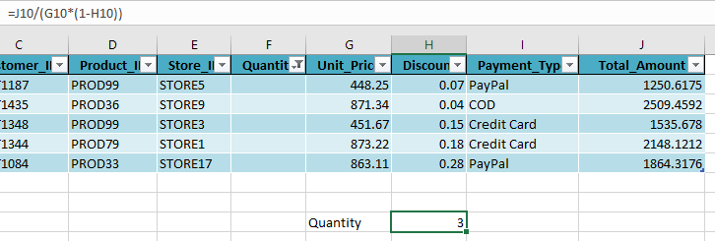
2 | Data cleaning was performed to ensure accuracy and consistency
3 | Duplicate records were identified and removed, missing values were handled appropriately, and formatting issues such as date and numeric inconsistencies were corrected. Data validation techniques were applied to maintain data quality.
4 | Excel formulas such as SUM, SUMIF, COUNTIF, AVERAGE, TEXT, and
5 | VLOOKUP were used to combine data from multiple tables. VLOOKUP was used to link related datasets
6 | Descriptive statistics including mean, median, and standard deviation were calculated using Analysis ToolPak,
7 | Pivot Tables were created to summarize data across multiple dimensions such as category, product and region
8 | Pivot Tables formed the foundation for analysis and dashboard visuals.
9 | An interactive dashboard was built using Column, Bar, and Pie charts along with PivotCharts and slicers. Key Performance Indicators (KPIs) such as Total Sales, Total Orders, Average Order Value, highlighted at the side of the dashboard for quick insights
10 | Key findings show that certain product categories contribute significantly more to overall revenue, while a few top products drive the majority of sales. Monthly sales trends reveal seasonal patterns, and regional analysis highlights high-performing locations. Overall, this analysis provides meaningful insights into sales performance, customer behavior, and product contribution using Excel tools. | 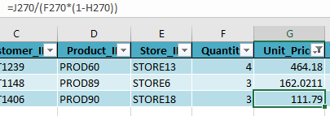 | 